Sheet1
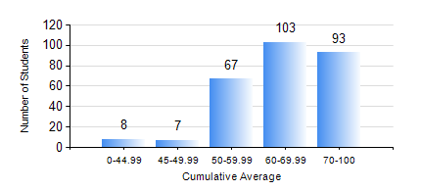
 |  |  | KWAME NKRUMAH UNIVERSITY OF SCIENCE AND TECHNOLOGY, KUMASI Department of Petroleum Engineering

 |  |  | BSC. PETROLEUM ENG.

 |  |  | COMPREHENSIVE RECORD OF EXAMINATION RESULTS

 |  |  | RESULTS OF YEAR 1 FIRST SEMESTER, 2020/2021 ACADEMIC YEAR

 | Sn | Course Code |  | Course Name | Credit Hours | Min. Mark | Max. Mark | Avg. Mark | Std. Dev. | No. Passed | No. Trailed | No. (Df) | No. (I) | No. (I*) | No. Tagged(I,I*,Df) | Total
 | 0. |  |  |  |  |  |  | 0 | 0 | 0 | 0 | 0 | 0 | 0 | 0 | 1
 | 1. | CHEM 169 |  | PRACTICAL CHEMISTRY I | 3 | 10 | 85 | 69 | 11.54 | 268 | 9 | 0 | 0 | 0 | 0 | 277
 | 2. | EE 151 |  | APPLIED ELECTRICITY | 3 | 32 | 99 | 62 | 13.6 | 274 | 3 | 0 | 0 | 0 | 0 | 277
 | 3. | ENGL 157 |  | COMMUNICATION SKILLS I | 2 | 45 | 88 | 69 | 8.92 | 277 | 0 | 0 | 0 | 0 | 0 | 277
 | 4. | MATH 151 |  | MATHEMATICS I | 4 | 40 | 94 | 70 | 12.48 | 277 | 0 | 0 | 0 | 0 | 0 | 277
 | 5. | ME 159 |  | TECHNICAL DRAWING | 2 | 15 | 87 | 58 | 11.2 | 275 | 2 | 0 | 0 | 0 | 0 | 277
 | 6. | PE 151 |  | INORGANIC CHEMISTRY FOR ENGINEERS | 2 | 40 | 95 | 61 | 13.78 | 277 | 0 | 0 | 0 | 0 | 0 | 277
 | 7. | PE 153 |  | ORGANIC CHEMISTRY FOR ENGINEERS | 2 | 29 | 91 | 58 | 12.84 | 276 | 1 | 0 | 0 | 0 | 0 | 277
 | 8. | PE 155 |  | INTRODUCTION TO INFORMATION TECHNOLOGY | 2 | 40 | 95 | 72 | 9.61 | 277 | 0 | 0 | 0 | 0 | 0 | 277

